Plots - all
To view plots for each group/trial combo, change the group and trial number from the filter in the Action Frequency Table sheet

Takeoff/Land Actions
 | Takeoff | Land
1_Group_1_Experiment_1 | 1 | 1
10_Group_1_Experiment_1 | 0 | 0
11_Group_3_Experiment_1 | 1 | 0
12_Group_2_Experiment_1 | 2 | 2
13_Group_4_Experiment_1 | 1 | 0
14_Group_4_Experiment_1 | 1 | 1
15_Group_1_Experiment_1 | 1 | 0
16_Group_3_Experiment_1 | 1 | 0
17_Group_3_Experiment_1 | 1 | 0
18_Group_4_Experiment_1 | 1 | 1
19_Group_4_Experiment_1 | 1 | 1
20_Group_2_Experiment_1 | 1 | 0
21_Group_4_Experiment_1 | 0 | 0
22_Group_1_Experiment_1 | 2 | 2
23_Group_4_Experiment_1 | 1 | 1
24_Group_2_Experiment_1 | 1 | 0
25_Group_3_Experiment_1 | 1 | 1
26_Group_1_Experiment_1 | 1 | 1
27_Group_4_Experiment_1 | 1 | 1
28_Group_4_Experiment_1 | 1 | 0
29_Group_3_Experiment_1 | 1 | 0
3_Group_4_Experiment_1 | 1 | 0
31_Group_3_Experiment_1 | 1 | 1
32_Group_4_Experiment_1 | 1 | 1
33_Group_4_Experiment_1 | 1 | 1
34_Group_3_Experiment_1 | 1 | 1
35_Group_3_Experiment_1 | 1 | 0
36_Group_2_Experiment_1 | 1 | 0
37_Group_4_Experiment_1 | 1 | 0
38_Group_2_Experiment_1 | 1 | 0
39_Group_3_Experiment_1 | 1 | 1
40_Group_1_Experiment_1 | 1 | 0
42_Group_4_Experiment_1 | 1 | 1
43_Group_3_Experiment_1 | 1 | 0
44_Group_3_Experiment_1 | 1 | 1
45_Group_3_Experiment_1 | 1 | 1
46_Group_3_Experiment_1 | 1 | 0
5_Group_4_Experiment_1 | 1 | 0
6_Group_1_Experiment_1 | 1 | 1
7_Group_2_Experiment_1 | 2 | 1
8_Group_2_Experiment_1 | 1 | 0
9_Group_3_Experiment_1 | 2 | 2
Execute/Pause Flightplan
 | Execute Flightplan | Pause
1_Group_1_Experiment_1 | 17 | 2
10_Group_1_Experiment_1 | 4 | 0
11_Group_3_Experiment_1 | 2 | 0
12_Group_2_Experiment_1 | 1 | 0
13_Group_4_Experiment_1 | 4 | 0
14_Group_4_Experiment_1 | 0 | 0
15_Group_1_Experiment_1 | 0 | 0
16_Group_3_Experiment_1 | 5 | 3
17_Group_3_Experiment_1 | 3 | 1
18_Group_4_Experiment_1 | 0 | 0
19_Group_4_Experiment_1 | 0 | 0
20_Group_2_Experiment_1 | 10 | 3
21_Group_4_Experiment_1 | 0 | 0
22_Group_1_Experiment_1 | 10 | 0
23_Group_4_Experiment_1 | 1 | 0
24_Group_2_Experiment_1 | 2 | 0
25_Group_3_Experiment_1 | 3 | 0
26_Group_1_Experiment_1 | 12 | 0
27_Group_4_Experiment_1 | 7 | 0
28_Group_4_Experiment_1 | 1 | 0
29_Group_3_Experiment_1 | 5 | 0
3_Group_4_Experiment_1 | 1 | 0
31_Group_3_Experiment_1 | 5 | 0
32_Group_4_Experiment_1 | 5 | 0
33_Group_4_Experiment_1 | 0 | 0
34_Group_3_Experiment_1 | 5 | 0
35_Group_3_Experiment_1 | 5 | 0
36_Group_2_Experiment_1 | 0 | 0
37_Group_4_Experiment_1 | 2 | 0
38_Group_2_Experiment_1 | 1 | 0
39_Group_3_Experiment_1 | 0 | 0
40_Group_1_Experiment_1 | 0 | 0
42_Group_4_Experiment_1 | 0 | 0
43_Group_3_Experiment_1 | 2 | 1
44_Group_3_Experiment_1 | 4 | 0
45_Group_3_Experiment_1 | 0 | 0
46_Group_3_Experiment_1 | 0 | 0
5_Group_4_Experiment_1 | 1 | 1
6_Group_1_Experiment_1 | 6 | 0
7_Group_2_Experiment_1 | 3 | 3
8_Group_2_Experiment_1 | 0 | 0
9_Group_3_Experiment_1 | 8 | 0

Inspection Launch/Close
 | Inspection Launch | Inspection Close
1_Group_1_Experiment_1 | 10 | 10
10_Group_1_Experiment_1 | 6 | 6
11_Group_3_Experiment_1 | 5 | 4
12_Group_2_Experiment_1 | 3 | 3
13_Group_4_Experiment_1 | 6 | 5
14_Group_4_Experiment_1 | 4 | 4
15_Group_1_Experiment_1 | 1 | 1
16_Group_3_Experiment_1 | 5 | 4
17_Group_3_Experiment_1 | 5 | 4
18_Group_4_Experiment_1 | 4 | 4
19_Group_4_Experiment_1 | 2 | 2
20_Group_2_Experiment_1 | 11 | 10
21_Group_4_Experiment_1 | 3 | 2
22_Group_1_Experiment_1 | 15 | 15
23_Group_4_Experiment_1 | 5 | 5
24_Group_2_Experiment_1 | 3 | 3
25_Group_3_Experiment_1 | 10 | 10
26_Group_1_Experiment_1 | 15 | 15
27_Group_4_Experiment_1 | 6 | 7
28_Group_4_Experiment_1 | 3 | 2
29_Group_3_Experiment_1 | 8 | 8
3_Group_4_Experiment_1 | 2 | 2
31_Group_3_Experiment_1 | 7 | 7
32_Group_4_Experiment_1 | 6 | 6
33_Group_4_Experiment_1 | 1 | 1
34_Group_3_Experiment_1 | 7 | 7
35_Group_3_Experiment_1 | 13 | 13
36_Group_2_Experiment_1 | 2 | 2
37_Group_4_Experiment_1 | 6 | 5
38_Group_2_Experiment_1 | 0 | 0
39_Group_3_Experiment_1 | 4 | 4
40_Group_1_Experiment_1 | 1 | 1
42_Group_4_Experiment_1 | 2 | 2
43_Group_3_Experiment_1 | 5 | 4
44_Group_3_Experiment_1 | 10 | 10
45_Group_3_Experiment_1 | 4 | 4
46_Group_3_Experiment_1 | 4 | 3
5_Group_4_Experiment_1 | 1 | 1
6_Group_1_Experiment_1 | 8 | 8
7_Group_2_Experiment_1 | 6 | 5
8_Group_2_Experiment_1 | 4 | 3
9_Group_3_Experiment_1 | 10 | 10
Inspection Command Start/End
 | Inspection Command Start | Inspection Command End
1_Group_1_Experiment_1 | 116 | 116
10_Group_1_Experiment_1 | 92 | 93
11_Group_3_Experiment_1 | 20 | 20
12_Group_2_Experiment_1 | 103 | 102
13_Group_4_Experiment_1 | 75 | 75
14_Group_4_Experiment_1 | 831 | 830
15_Group_1_Experiment_1 | 78 | 78
16_Group_3_Experiment_1 | 149 | 149
17_Group_3_Experiment_1 | 49 | 49
18_Group_4_Experiment_1 | 191 | 191
19_Group_4_Experiment_1 | 246 | 247
20_Group_2_Experiment_1 | 135 | 136
21_Group_4_Experiment_1 | 36 | 36
22_Group_1_Experiment_1 | 173 | 173
23_Group_4_Experiment_1 | 141 | 141
24_Group_2_Experiment_1 | 10 | 10
25_Group_3_Experiment_1 | 153 | 155
26_Group_1_Experiment_1 | 82 | 82
27_Group_4_Experiment_1 | 96 | 96
28_Group_4_Experiment_1 | 345 | 344
29_Group_3_Experiment_1 | 79 | 80
3_Group_4_Experiment_1 | 55 | 55
31_Group_3_Experiment_1 | 47 | 47
32_Group_4_Experiment_1 | 595 | 595
33_Group_4_Experiment_1 | 153 | 153
34_Group_3_Experiment_1 | 189 | 379
35_Group_3_Experiment_1 | 57 | 57
36_Group_2_Experiment_1 | 42 | 42
37_Group_4_Experiment_1 | 17 | 17
38_Group_2_Experiment_1 | 0 | 0
39_Group_3_Experiment_1 | 324 | 324
40_Group_1_Experiment_1 | 89 | 89
42_Group_4_Experiment_1 | 146 | 146
43_Group_3_Experiment_1 | 144 | 144
44_Group_3_Experiment_1 | 56 | 57
45_Group_3_Experiment_1 | 274 | 272
46_Group_3_Experiment_1 | 155 | 155
5_Group_4_Experiment_1 | 1 | 1
6_Group_1_Experiment_1 | 327 | 327
7_Group_2_Experiment_1 | 14 | 14
8_Group_2_Experiment_1 | 40 | 40
9_Group_3_Experiment_1 | 43 | 43

Waypoint Actions
 | Waypoint Create | Waypoint Delete | Waypoint Move | Altitude
1_Group_1_Experiment_1 | 20 | 0 | 1 | 1
10_Group_1_Experiment_1 | 4 | 0 | 0 | 0
11_Group_3_Experiment_1 | 1 | 0 | 0 | 0
12_Group_2_Experiment_1 | 0 | 0 | 0 | 0
13_Group_4_Experiment_1 | 5 | 3 | 0 | 0
14_Group_4_Experiment_1 | 0 | 0 | 0 | 0
15_Group_1_Experiment_1 | 0 | 0 | 0 | 0
16_Group_3_Experiment_1 | 3 | 0 | 0 | 0
17_Group_3_Experiment_1 | 2 | 0 | 0 | 0
18_Group_4_Experiment_1 | 0 | 0 | 0 | 0
19_Group_4_Experiment_1 | 0 | 0 | 0 | 0
20_Group_2_Experiment_1 | 2 | 0 | 1 | 1
21_Group_4_Experiment_1 | 0 | 0 | 0 | 0
22_Group_1_Experiment_1 | 3 | 0 | 3 | 3
23_Group_4_Experiment_1 | 1 | 0 | 0 | 0
24_Group_2_Experiment_1 | 2 | 0 | 0 | 0
25_Group_3_Experiment_1 | 6 | 0 | 0 | 0
26_Group_1_Experiment_1 | 15 | 0 | 2 | 2
27_Group_4_Experiment_1 | 8 | 2 | 0 | 0
28_Group_4_Experiment_1 | 1 | 1 | 1 | 1
29_Group_3_Experiment_1 | 6 | 1 | 1 | 0
3_Group_4_Experiment_1 | 1 | 0 | 0 | 0
31_Group_3_Experiment_1 | 9 | 0 | 0 | 0
32_Group_4_Experiment_1 | 5 | 0 | 1 | 2
33_Group_4_Experiment_1 | 0 | 0 | 0 | 0
34_Group_3_Experiment_1 | 9 | 0 | 3 | 2
35_Group_3_Experiment_1 | 6 | 0 | 0 | 0
36_Group_2_Experiment_1 | 1 | 0 | 0 | 0
37_Group_4_Experiment_1 | 3 | 0 | 0 | 0
38_Group_2_Experiment_1 | 1 | 0 | 0 | 0
39_Group_3_Experiment_1 | 0 | 0 | 0 | 0
40_Group_1_Experiment_1 | 0 | 0 | 0 | 0
42_Group_4_Experiment_1 | 0 | 0 | 0 | 0
43_Group_3_Experiment_1 | 2 | 0 | 0 | 0
44_Group_3_Experiment_1 | 3 | 0 | 1 | 1
45_Group_3_Experiment_1 | 0 | 0 | 0 | 0
46_Group_3_Experiment_1 | 0 | 0 | 0 | 0
5_Group_4_Experiment_1 | 1 | 0 | 0 | 0
6_Group_1_Experiment_1 | 11 | 0 | 1 | 1
7_Group_2_Experiment_1 | 12 | 6 | 5 | 4
8_Group_2_Experiment_1 | 0 | 0 | 0 | 0
9_Group_3_Experiment_1 | 18 | 4 | 5 | 5

Plots - G1 - T1 (successful)
To view plots for each group, change the groupnumber from the filter in the Action Frequency Table(success) sheet
Takeoff/Land
 | Takeoff | Land
15_Group_1_Experiment_1 | 1 | 0
22_Group_1_Experiment_1 | 2 | 2
26_Group_1_Experiment_1 | 1 | 1
40_Group_1_Experiment_1 | 1 | 0
6_Group_1_Experiment_1 | 1 | 1
20_Group_2_Experiment_1 | 1 | 0
7_Group_2_Experiment_1 | 2 | 1
8_Group_2_Experiment_1 | 1 | 0
11_Group_3_Experiment_1 | 1 | 0
16_Group_3_Experiment_1 | 1 | 0
17_Group_3_Experiment_1 | 1 | 0
25_Group_3_Experiment_1 | 1 | 1
29_Group_3_Experiment_1 | 1 | 0
31_Group_3_Experiment_1 | 1 | 1
34_Group_3_Experiment_1 | 1 | 1
35_Group_3_Experiment_1 | 1 | 0
39_Group_3_Experiment_1 | 1 | 1
43_Group_3_Experiment_1 | 1 | 0
44_Group_3_Experiment_1 | 1 | 1
46_Group_3_Experiment_1 | 1 | 0
9_Group_3_Experiment_1 | 2 | 2
13_Group_4_Experiment_1 | 1 | 0
14_Group_4_Experiment_1 | 1 | 1
18_Group_4_Experiment_1 | 1 | 1
19_Group_4_Experiment_1 | 1 | 1
21_Group_4_Experiment_1 | 0 | 0
23_Group_4_Experiment_1 | 1 | 1
27_Group_4_Experiment_1 | 1 | 1
32_Group_4_Experiment_1 | 1 | 1
33_Group_4_Experiment_1 | 1 | 1
37_Group_4_Experiment_1 | 1 | 0
42_Group_4_Experiment_1 | 1 | 1
5_Group_4_Experiment_1 | 1 | 0
Execute/Pause Flightplan
 | Execute Flightplan | Pause
15_Group_1_Experiment_1 | 0 | 0
22_Group_1_Experiment_1 | 10 | 0
26_Group_1_Experiment_1 | 12 | 0
40_Group_1_Experiment_1 | 0 | 0
6_Group_1_Experiment_1 | 6 | 0
20_Group_2_Experiment_1 | 10 | 3
7_Group_2_Experiment_1 | 3 | 3
8_Group_2_Experiment_1 | 0 | 0
11_Group_3_Experiment_1 | 2 | 0
16_Group_3_Experiment_1 | 5 | 3
17_Group_3_Experiment_1 | 3 | 1
25_Group_3_Experiment_1 | 3 | 0
29_Group_3_Experiment_1 | 5 | 0
31_Group_3_Experiment_1 | 5 | 0
34_Group_3_Experiment_1 | 5 | 0
35_Group_3_Experiment_1 | 5 | 0
39_Group_3_Experiment_1 | 0 | 0
43_Group_3_Experiment_1 | 2 | 1
44_Group_3_Experiment_1 | 4 | 0
46_Group_3_Experiment_1 | 0 | 0
9_Group_3_Experiment_1 | 8 | 0
13_Group_4_Experiment_1 | 4 | 0
14_Group_4_Experiment_1 | 0 | 0
18_Group_4_Experiment_1 | 0 | 0
19_Group_4_Experiment_1 | 0 | 0
21_Group_4_Experiment_1 | 0 | 0
23_Group_4_Experiment_1 | 1 | 0
27_Group_4_Experiment_1 | 7 | 0
32_Group_4_Experiment_1 | 5 | 0
33_Group_4_Experiment_1 | 0 | 0
37_Group_4_Experiment_1 | 2 | 0
42_Group_4_Experiment_1 | 0 | 0
5_Group_4_Experiment_1 | 1 | 1

Inspection Launch/Close
 | Inspection Launch | Inspection Close
15_Group_1_Experiment_1 | 1 | 1
22_Group_1_Experiment_1 | 15 | 15
26_Group_1_Experiment_1 | 15 | 15
40_Group_1_Experiment_1 | 1 | 1
6_Group_1_Experiment_1 | 8 | 8
20_Group_2_Experiment_1 | 11 | 10
7_Group_2_Experiment_1 | 6 | 5
8_Group_2_Experiment_1 | 4 | 3
11_Group_3_Experiment_1 | 5 | 4
16_Group_3_Experiment_1 | 5 | 4
17_Group_3_Experiment_1 | 5 | 4
25_Group_3_Experiment_1 | 10 | 10
29_Group_3_Experiment_1 | 8 | 8
31_Group_3_Experiment_1 | 7 | 7
34_Group_3_Experiment_1 | 7 | 7
35_Group_3_Experiment_1 | 13 | 13
39_Group_3_Experiment_1 | 4 | 4
43_Group_3_Experiment_1 | 5 | 4
44_Group_3_Experiment_1 | 10 | 10
46_Group_3_Experiment_1 | 4 | 3
9_Group_3_Experiment_1 | 10 | 10
13_Group_4_Experiment_1 | 6 | 5
14_Group_4_Experiment_1 | 4 | 4
18_Group_4_Experiment_1 | 4 | 4
19_Group_4_Experiment_1 | 2 | 2
21_Group_4_Experiment_1 | 3 | 2
23_Group_4_Experiment_1 | 5 | 5
27_Group_4_Experiment_1 | 6 | 7
32_Group_4_Experiment_1 | 6 | 6
33_Group_4_Experiment_1 | 1 | 1
37_Group_4_Experiment_1 | 6 | 5
42_Group_4_Experiment_1 | 2 | 2
5_Group_4_Experiment_1 | 1 | 1
Inspection Command Start/End
 | Inspection Command Start | Inspection Command End
15_Group_1_Experiment_1 | 78 | 78
22_Group_1_Experiment_1 | 173 | 173
26_Group_1_Experiment_1 | 82 | 82
40_Group_1_Experiment_1 | 89 | 89
6_Group_1_Experiment_1 | 327 | 327
20_Group_2_Experiment_1 | 135 | 136
7_Group_2_Experiment_1 | 14 | 14
8_Group_2_Experiment_1 | 40 | 40
11_Group_3_Experiment_1 | 20 | 20
16_Group_3_Experiment_1 | 149 | 149
17_Group_3_Experiment_1 | 49 | 49
25_Group_3_Experiment_1 | 153 | 155
29_Group_3_Experiment_1 | 79 | 80
31_Group_3_Experiment_1 | 47 | 47
34_Group_3_Experiment_1 | 189 | 379
35_Group_3_Experiment_1 | 57 | 57
39_Group_3_Experiment_1 | 324 | 324
43_Group_3_Experiment_1 | 144 | 144
44_Group_3_Experiment_1 | 56 | 57
46_Group_3_Experiment_1 | 155 | 155
9_Group_3_Experiment_1 | 43 | 43
13_Group_4_Experiment_1 | 75 | 75
14_Group_4_Experiment_1 | 831 | 830
18_Group_4_Experiment_1 | 191 | 191
19_Group_4_Experiment_1 | 246 | 247
21_Group_4_Experiment_1 | 36 | 36
23_Group_4_Experiment_1 | 141 | 141
27_Group_4_Experiment_1 | 96 | 96
32_Group_4_Experiment_1 | 595 | 595
33_Group_4_Experiment_1 | 153 | 153
37_Group_4_Experiment_1 | 17 | 17
42_Group_4_Experiment_1 | 146 | 146
5_Group_4_Experiment_1 | 1 | 1

Waypoint Actions
 | Waypoint Create | Waypoint Delete | Waypoint Move | Altitude
15_Group_1_Experiment_1 | 0 | 0 | 0 | 0
22_Group_1_Experiment_1 | 3 | 0 | 3 | 3
26_Group_1_Experiment_1 | 15 | 0 | 2 | 2
40_Group_1_Experiment_1 | 0 | 0 | 0 | 0
6_Group_1_Experiment_1 | 11 | 0 | 1 | 1
20_Group_2_Experiment_1 | 2 | 0 | 1 | 1
7_Group_2_Experiment_1 | 12 | 6 | 5 | 4
8_Group_2_Experiment_1 | 0 | 0 | 0 | 0
11_Group_3_Experiment_1 | 1 | 0 | 0 | 0
16_Group_3_Experiment_1 | 3 | 0 | 0 | 0
17_Group_3_Experiment_1 | 2 | 0 | 0 | 0
25_Group_3_Experiment_1 | 6 | 0 | 0 | 0
29_Group_3_Experiment_1 | 6 | 1 | 1 | 0
31_Group_3_Experiment_1 | 9 | 0 | 0 | 0
34_Group_3_Experiment_1 | 9 | 0 | 3 | 2
35_Group_3_Experiment_1 | 6 | 0 | 0 | 0
39_Group_3_Experiment_1 | 0 | 0 | 0 | 0
43_Group_3_Experiment_1 | 2 | 0 | 0 | 0
44_Group_3_Experiment_1 | 3 | 0 | 1 | 1
46_Group_3_Experiment_1 | 0 | 0 | 0 | 0
9_Group_3_Experiment_1 | 18 | 4 | 5 | 5
13_Group_4_Experiment_1 | 5 | 3 | 0 | 0
14_Group_4_Experiment_1 | 0 | 0 | 0 | 0
18_Group_4_Experiment_1 | 0 | 0 | 0 | 0
19_Group_4_Experiment_1 | 0 | 0 | 0 | 0
21_Group_4_Experiment_1 | 0 | 0 | 0 | 0
23_Group_4_Experiment_1 | 1 | 0 | 0 | 0
27_Group_4_Experiment_1 | 8 | 2 | 0 | 0
32_Group_4_Experiment_1 | 5 | 0 | 1 | 2
33_Group_4_Experiment_1 | 0 | 0 | 0 | 0
37_Group_4_Experiment_1 | 3 | 0 | 0 | 0
42_Group_4_Experiment_1 | 0 | 0 | 0 | 0
5_Group_4_Experiment_1 | 1 | 0 | 0 | 0

Comparisons
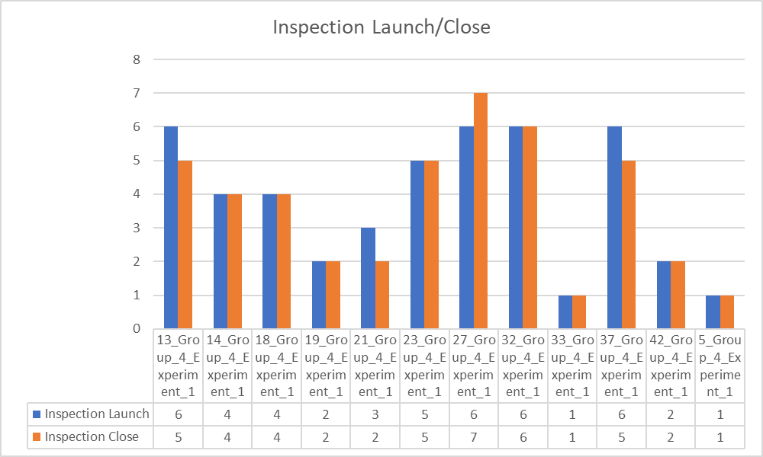
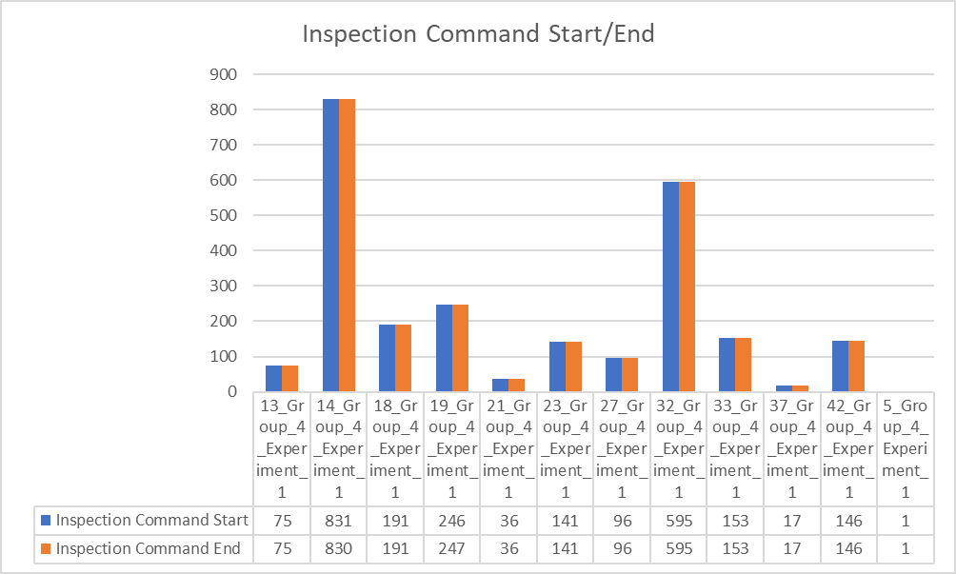
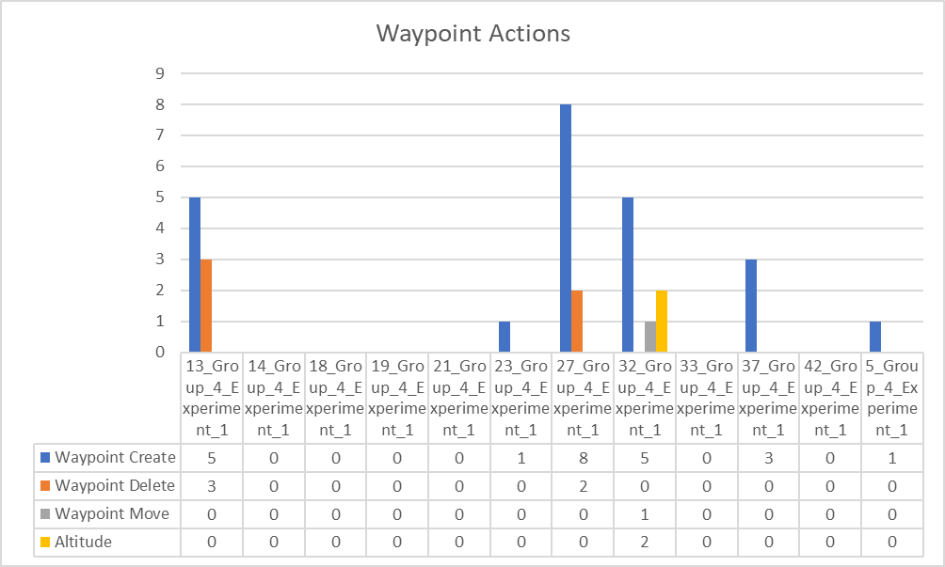
GROUP 1
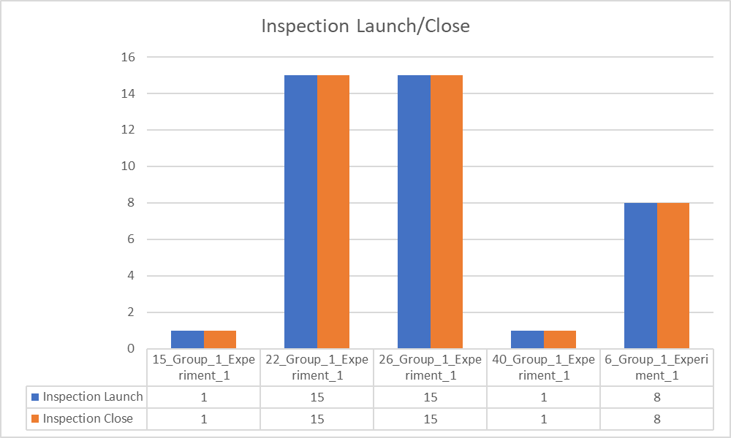
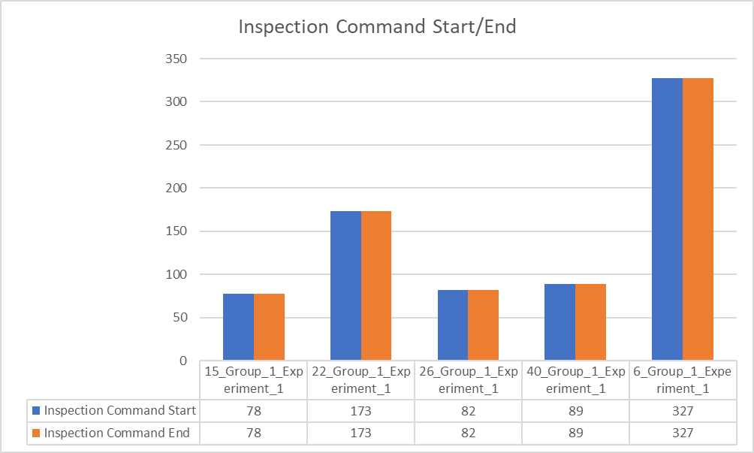
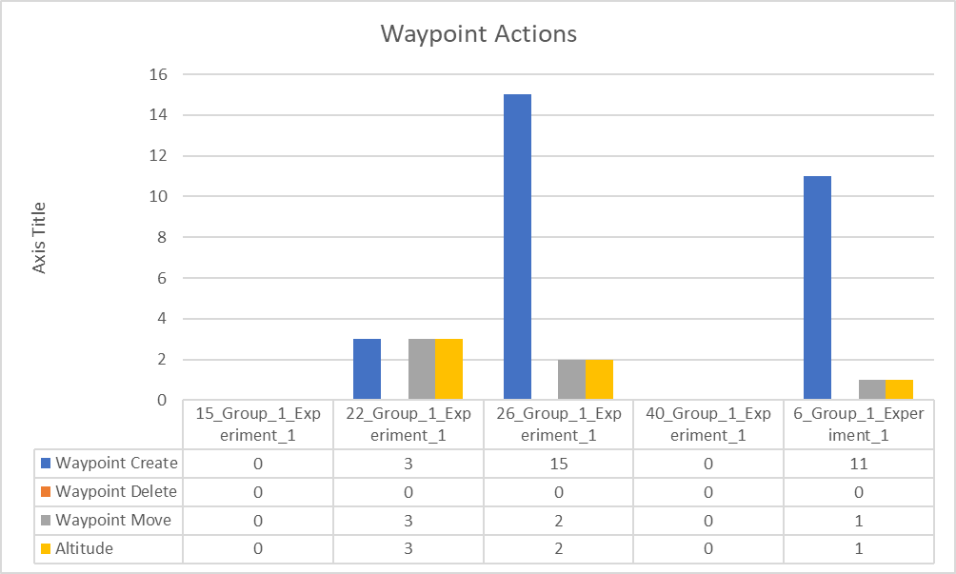

GROUP 2

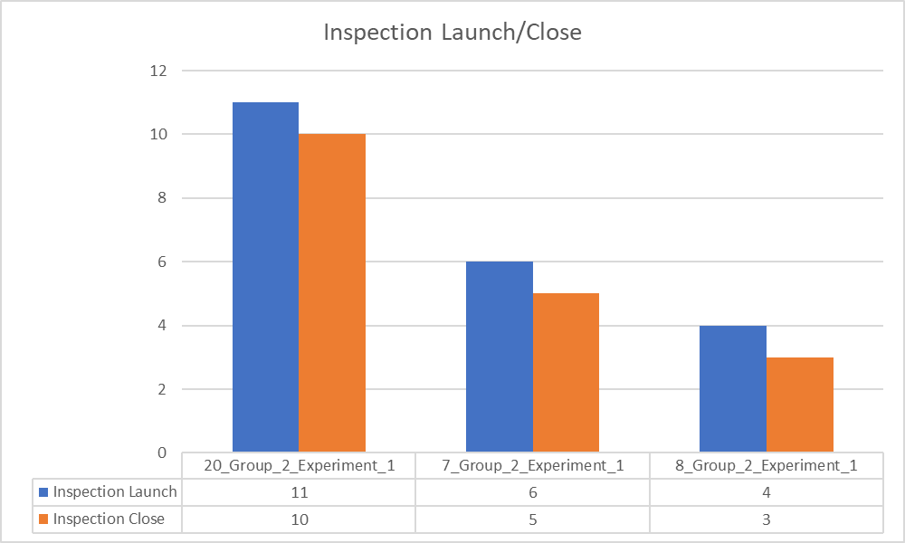
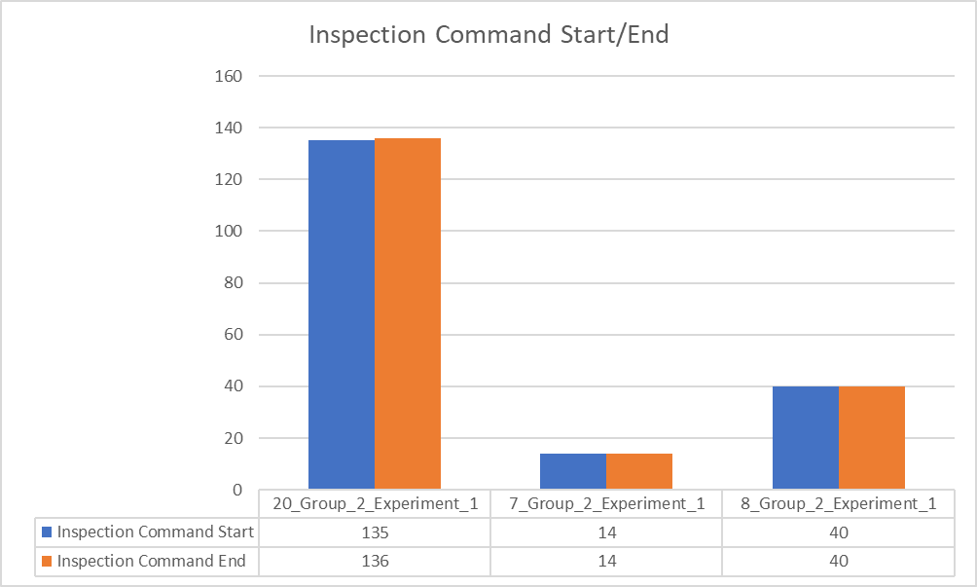
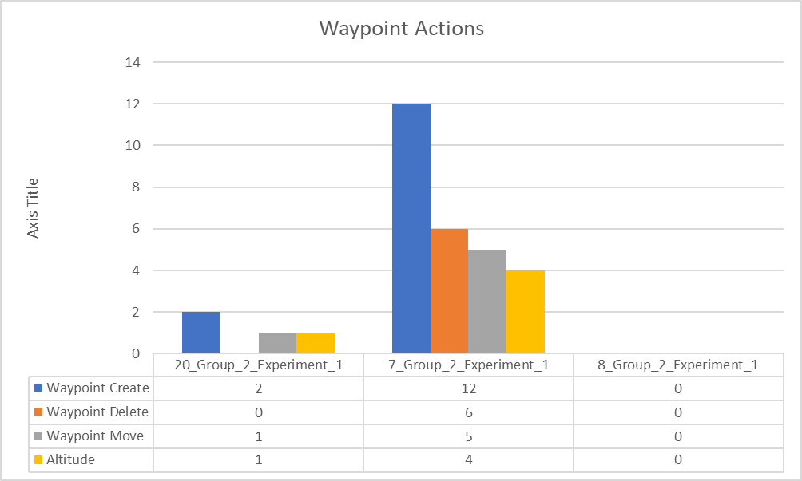

GROUP 3

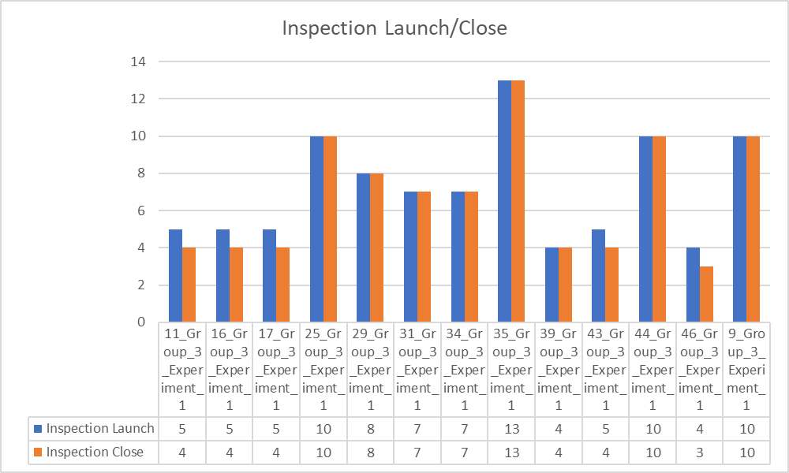
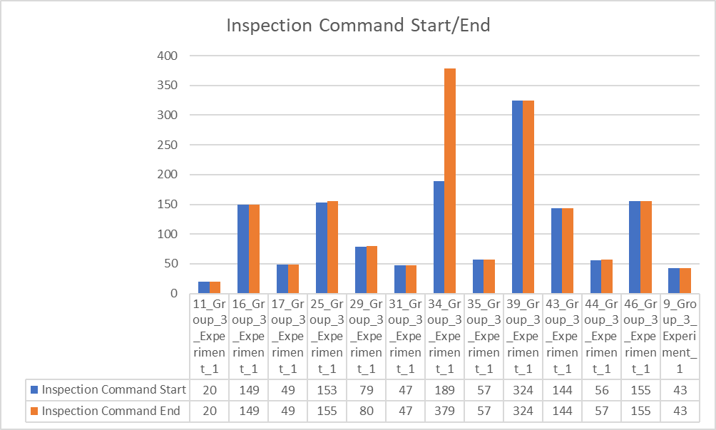
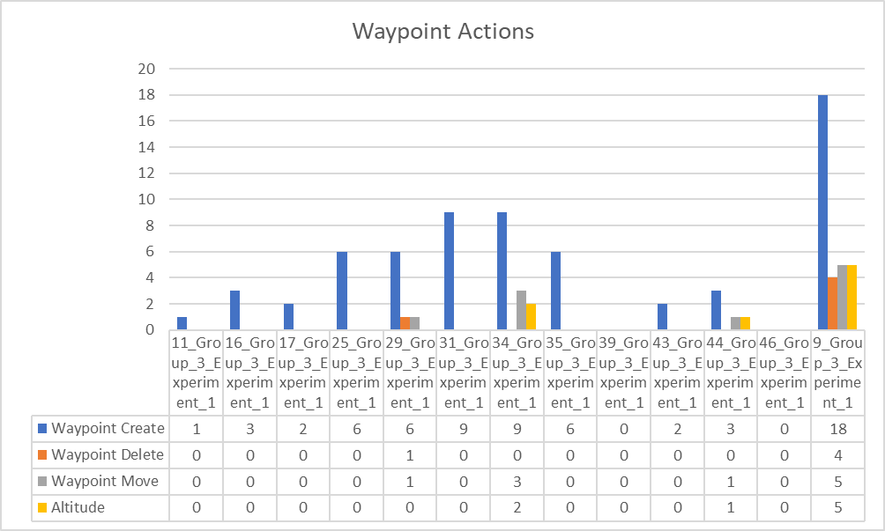

GROUP 4

